2. Physical 구성도
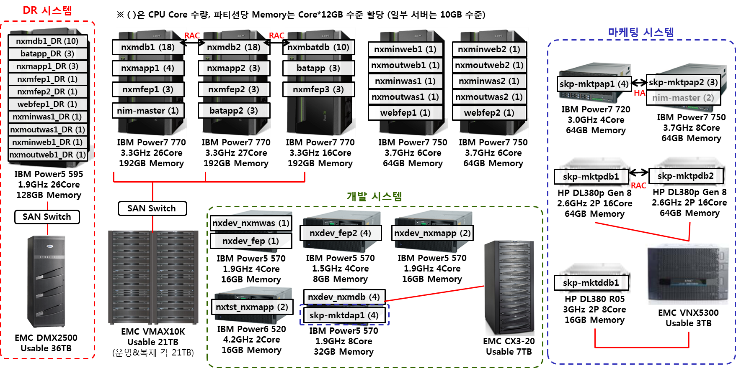

3. Server 가상화(Host-VM)
호스트 명 | 호스트 IP | 서버명(VM) | VM 버전

NXMile은 Host-VM 형태의 가상화 미 사용

4. Server, SW 현황
추후 작성
대덕 |  |  | 구분 |  |  | nxmdb1 | nxmdb2
2R_28F |  |  | Server | 적용 업무명 |  | 통합 DB#1 | 통합 DB#2
38U |  | 38U |  | 제조사/제품명 |  | IBM-P770 | IBM-P770
37U |  | 37U |  | 자산번호 |  | UX-CPU-IBM-10695 | UX-CPU-IBM-10696
36U |  | 36U |  | Serial No. |  | 062C117 | 062C107
35U |  | 35U |  | CPU |  | IBM Power7 3.3GHz * 18 | IBM Power7 3.3GHz * 18
34U |  | 34U |  | Memory |  | 115GB | 99.25GB
33U |  | 33U |  | 내장 Disk (용량/RAID) | C:\ | 300GB * 2ea | 300GB * 2ea
32U |  | 32U |  |  | D:\ | 스토리지 사용 | 스토리지 사용
31U |  | 31U |  | 이중화 구성 여부 |  | Y | Y
30U |  | 30U |  | 가상화 여부 |  | N | N
29U |  | 29U |  | 설치 장소 | 데이터 센터 | 대덕센터 | 대덕센터
28U |  | 28U |  |  | 설치좌표 | 3R_70J | 3R_70K
27U |  | 27U | Storage | Usable |  | 10177 | 10177
26U |  | 26U |  | RAID |  | 10 | 10
25U |  | 25U | N/W | IP Address | 서비스 IP | 203.235.205.38 | 203.235.205.43
24U |  | 24U |  |  | VIP | 203.235.205.39 | 203.235.205.44
23U |  | 23U |  |  | Backup IP | 10.200.127.45 | 10.200.127.54
22U | KVM, Monitor | 22U |  |  | 기타
21U |  | 21U |  | Subnet Mask(서비스 IP) |  | 255.255.255.0 | 255.255.255.0
20U |  | 20U |  | Gateway |  | 203.235.205.20 | 203.235.205.20
19U | System Storage | 19U | S/W | OS |  | AIX 6.1 TL07 SP05 | AIX 6.1 TL07 SP05
18U |  | 18U |  | WEB
17U |  | 17U |  | WAS | Instance 1
16U |  | 16U |  |  | Instance 2
15U | SKE-CELPAP1 | 15U |  |  | Instance 3
14U |  | 14U |  | Middleware(기타)
13U |  | 13U |  | DBMS | Instance 1 | Oracle 10.2.0.3 E.E[NXMDB1] | Oracle 10.2.0.3 E.E[NXMDB2]
12U |  | 12U |  |  | Instance 2
11U |  | 11U |  |  | Instance 3
10U |  | 10U |  | 보안 |  | Cubeone (DB암호화) | Cubeone (DB암호화)
9U | SKE-CELPALL1 | 9U |  | 모니터링 |  | AnyCatcher | AnyCatcher
8U |  | 8U |  | Backup | OS | IBM mksysb (OS에 포함) | IBM mksysb (OS에 포함)
7U |  | 7U |  |  | Data | Symantec Netbackup | Symantec Netbackup
6U | SKE-PAKPAP1 | 6U |  | 기타
5U |  | 5U
4U |  | 4U
3U | SKE-PAKPALL1 | 3U
2U |  | 2U
1U |  | 1U

